Example Mapping
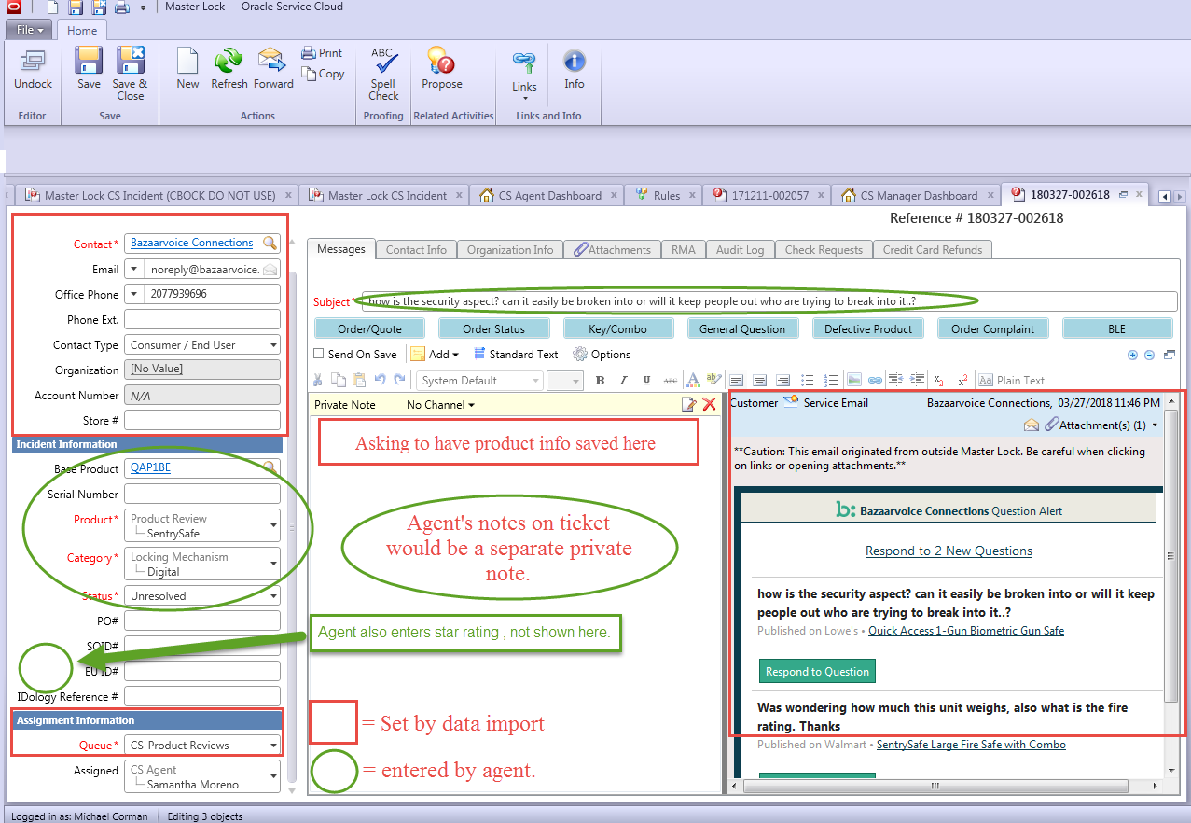
 | Subject | Base Product | Product - Question/Review | Product - ML or SS | Star Rating | Private Note - add model number here
Review sample 1 - SentrySafe

 | https://www.amazon.com/SentrySafe-Pistol-Access-Capacity-QAP2EL/product-reviews/B072F4Y7M9/ref=cm_cr_arp_d_viewopt_srt?ie=UTF8&reviewerType=all_reviews&sortBy=recent&pageNumber=1 | https://www.amazon.com/SentrySafe-Pistol-Access-Capacity-QAP2EL/dp/B072F4Y7M9/ref=cm_cr_arp_d_product_top?ie=UTF8 |  |  | https://www.amazon.com/SentrySafe-Pistol-Access-Capacity-QAP2EL/product-reviews/B072F4Y7M9/ref=cm_cr_arp_d_viewopt_srt?ie=UTF8&reviewerType=all_reviews&sortBy=recent&pageNumber=1 | https://www.amazon.com/SentrySafe-Pistol-Access-Capacity-QAP2EL/dp/B072F4Y7M9/ref=cm_cr_arp_d_product_top?ie=UTF8
 | Safe misses button presses & only clicks when lid releases, doesn’t automatically fully release lid, requires me to manually find right side of lid in dark & pull open. Difference between Life & Death. | QAP2EL | Review | SentrySafe | 1 | QAP2EL
 |  |  | Customer Reviews

 | Question sample 2 - Master Lock
 | https://www.amazon.com/ask/questions/asin/B071VGZ283/1/ref=ask_ql_psf_ql_hza?sort=SUBMIT_DATE | https://www.amazon.com/gp/product/B071VGZ283/ref=ask_ql_qh_dp_hza |  | https://www.amazon.com/gp/product/B071VGZ283/ref=ask_ql_qh_dp_hza |  | https://www.amazon.com/gp/product/B071VGZ283/ref=ask_ql_qh_dp_hza
 | How do you attach the lock box to the door knob? | 5440D |  | Master Lock |  | 5440D

